Sheet1
PIONEER SERVICES



 |  |  |  | Date: | 24-Apr-25
 |  |  |  | PO # | 126
 |  |  |  | NTN # | 4312149-7

M/S Saaed Sons Corporation
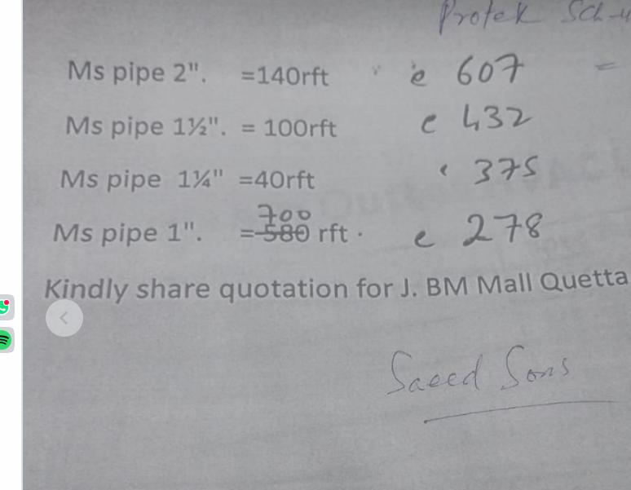
Att: Mr. Saad

PURCHASE ORDER

Supply of M.S Pipe for the project (J outlet Quetta Pakistan)
S No. | D e s c r i p t i o n | Qty | Unit | Rate | Amount
 | Brand: PROTEK
1 | M.S Pipe SCH-40 2" Dia | 140 | Rft | 607 | 84,980
2 | M.S Pipe SCH-40 1-1/2" Dia | 100 | Rft | 432 | 43,200
3 | M.S Pipe SCH-40 1-1/4" Dia | 40 | Rft | 375 | 15,000
4 | M.S Pipe SCH-40 1" Dia | 700 | Rft | 278 | 194,600
 |  | TOTAL: |  |  | 337,780

 |  |  |  |  | 286,254
for PIONEER SERVICES |  |  |  |  | 51,525.76
 |  |  |  |  | 337,780.00
 |  |  |  |  | 11,450.17

